ART
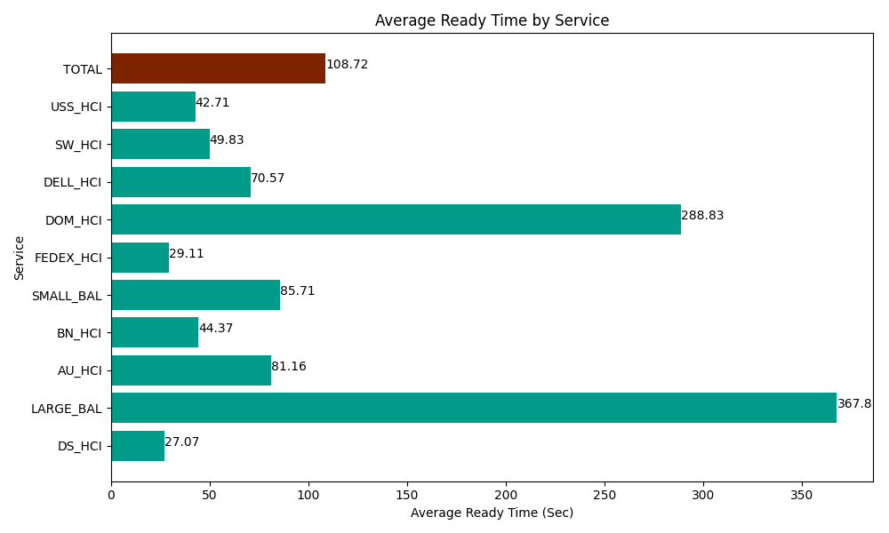
Date | Service | Successful Op Transfer | In Call (Sec) | Ready (Sec) | Wrapup (Sec) | Not Ready (Sec) | Average Ready Time (Sec)
04-19-2024 | DS_HCI | 455 | 37002.000732 | 12316.200256 | 48080.998535 | 74452.800293 | 27.07
04-19-2024 | LARGE_BAL | 1 | 4.2000000179 | 367.80000687 | 41.999999285 | 56.999999285 | 367.8
04-19-2024 | AU_HCI | 56 | 4421.9998169 | 4545 | 5146.7999268 | 904.79999542 | 81.16
04-19-2024 | BN_HCI | 972 | 48709.200439 | 43123.798828 | 92015.998535 | 46171.201172 | 44.37
04-19-2024 | SMALL_BAL | 7 | 416.99998856 | 600 | 325.7999897 | 48.000000715 | 85.71
04-19-2024 | FEDEX_HCI | 52 | 4117.2001648 | 1513.7999725 | 4610.9999084 | 2869.1999817 | 29.11
04-19-2024 | DOM_HCI | 13 | 511.20002747 | 3754.8001099 | 1193.9999771 | 13.199999928 | 288.83
04-19-2024 | DELL_HCI | 41 | 4730.9999084 | 2893.2000732 | 8200.7995605 | 1777.2000504 | 70.57
04-19-2024 | SW_HCI | 54 | 2540.9999084 | 2690.9999084 | 2914.8001099 | 2837.9999542 | 49.83
04-19-2024 | USS_HCI | 344 | 55354.801025 | 14692.199707 | 49102.800293 | 29830.799561 | 42.71
 | TOTAL | 1995 | 157809.60201 | 86497.798862 | 211634.99683 | 158962.20101 | 108.72

